Sheet1
Pump Affinity Laws for a Specific Centrifugal Pump
Volume Capacity
The volume capacity of a centrifugal pump can be expressed like

q1 / q2 = (n1 / n2) (d1 / d2) (1)

where

q = volume flow capacity (m3/s, gpm, cfm, ..)

n = wheel velocity - revolution per minute - (rpm)

d = wheel diameter (m, ft)

Head or Pressure
The head or pressure of a centrifugal pump can be expressed like

dp1 / dp2 = (n1 / n2)2 (d1 / d2)2 (2)

where

dp = head or pressure (m, ft, Pa, psi, ..)

Power
The power consumption of a centrifugal pump can be expressed as

P1 / P2 = (n1 / n2)3 (d1 / d2)3 (3)

where

P = power (W, bhp, ..)

Changing the Wheel Velocity

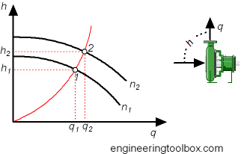

If the wheel diameter is constant - change in pump wheel velocity can simplify the affinity laws to

Volume Capacity

q1 / q2 = (n1 / n2) (1a)

Head or Pressure

dp1 / dp2 = (n1 / n2)2 (2a)

Power

P1 / P2 = (n1 / n2)3 (3a)

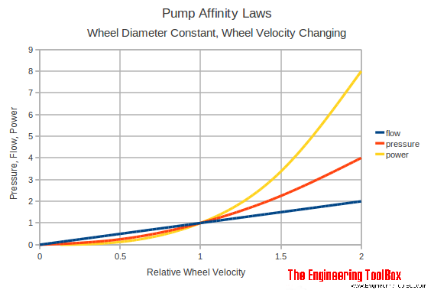

Note! If the speed of a pump is increased with 10%

the volume flow increases with 10%
the head increases with 21%
the power increases with 33 %

If we want to increase the volume flow capacity of an existing system with 10% we have to increase the power supply with 33%.

Pump Affinity Laws Calculator - Changing Wheel Velocity
Replace the default values with the actual values. The calculator is generic and can be used with all common units as long as the use is consistent.

q1 - volume capacity - (m3/s, gpm, cfm, ..)

dp1 - head or pressure (m, ft, Pa, psi, ..)

P1 - power (W, bhp)

n1 - initial wheel velocity (rpm)

n2 - final wheel velocity (rpm)

Changing the Impeller Diameter
If wheel velocity is constant a change in impeller diameter simplifies the affinity laws to

Volume Capacity

q1 / q2 = d1 / d2 (1b)

Head or Pressure

dp1 / dp2 = (d1 / d2)2 (2b)

Power

P1 / P2 = (d1 / d2)3 (3b)

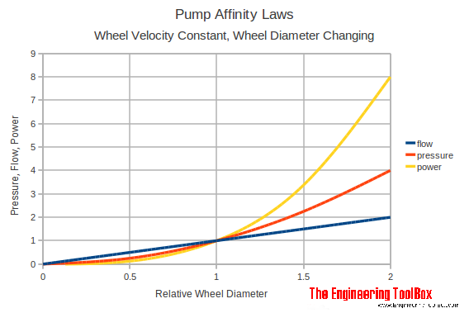

Pump Affinity Laws Calculator - Changing Wheel Diameter
Replace the default values with the actual values. The calculator is generic and can be used with all common units as long as the use of units is consistent.

q1 - volume capacity - (m3/s, gpm, cfm, ..)

dp1 - head or pressure (m, ft, Pa, psi, ..)

P1 - power (W, bhp)

d1 - initial wheel diameter (m, in, ft ...)

d2 - final wheel diameter (m, in, ft ..)

Example - Pump Affinity Laws - Changing Pump Speed
The pump speed is changed when the impeller size is constant. The initial flow is 100 gpm, the initial head is 100 ft, the initial power is 5 bhp, the initial speed is 1750 rpm and the final speed 3500 rpm.

The final flow capacity can be calculated with (1a):

q2 = q1 n2 / n1

= (100 gpm) (3500 rpm) / (1750 rpm)

= 200 gpm

The final head can be calculated with (2a):

dp2 = dp1 (n2 / n1)2

= (100 ft) ((3500 rpm) / (1750 rpm))2

= 400 ft

The final power consumption can be calculated with (3a):

P2 = P1 (n2 / n1)3

= (5 bhp) ((3500 rpm) / (1750 rpm))3

= 40 bph

Example - Pump Affinity Laws - Changing Impeller Diameter
The diameter of the pump impeller is reduced when the pump speed is constant. The diameter is changed from 8 to 6 inches.

The final flow capacity can be calculated with (1b):

q2 = q1 (d2 / d1)

= (100 gpm) ((¨6 in) / (8 in))

= 75 gpm

The final head can be calculated with (2b):

dp2 = dp1 (d2 / d1)2

= (100 ft) ((6 in) / (8 in))2

= 56.3 ft

The final power consumption can be calculated with (3b):

P2 = P1 (d2 / d1)3

= (5 bhp) ((6 in) / (8 in))3

= 2.1 bph

Pump Affinity Laws for a Family of Geometrically Similar Pumps
The volume capacity can be expressed like

q1 / q2 = (n1 / n2)(d1 / d2)3 (4)

where

q = volume flow capacity (m3/s, gpm, cfm, ..)

n = wheel velocity - revolution per minute - (rpm)

d = wheel diameter

Head or Pressure
The head or pressure of a centrifugal pump can be expressed like

dp1 / dp2 = (n1 / n2)2 (d1 / d2)2 (5)

where

dp = head or pressure (m, ft, Pa, psi, ..)

Power
The power consumption of a centrifugal pump can be expressed as

P1 / P2 = (n1 / n2)3 (d1 / d2)5 (6)

where

P = power (W, bhp, ..)

Note that the affinity laws for fans are not identical with pumps.

Sponsored Links
Sponsored Links
Related Topics

Fluid Mechanics - The study of fluids - liquids and gases. Involves various properties of the fluid, such as velocity, pressure, density and temperature, as functions of space and time.
Pumps - Piping systems and pumps - centrifugal pumps, displacement pumps - cavitation, viscosity, head and pressure, power consumption and more

Related Documents

NPSH - Net Positive Suction Head - An introduction to pumps Net Positive Suction Head - NPSH
Modulating Discharge Flow from Centrifugal Pumps - Adapting pump capacity to process demand
Pumping Water - Horsepower Requirements - Horsepower requirements pumping water
Specific Speed Pumps - Characterize the type of impeller in pump in a unique and coherent manner
Fan Affinity Laws - Affinity laws can be used to calculate volume capacity, head or power consumption - when speed or rpm, and wheel diameters are changed
Centrifugal Pumps - An introduction to Centrifugal Pumps
Shut-off Head - Centrifugal pumps and maximum - or shut-off - head
Pumps - Specific Suction Speed - Specific Suction Speed can be used to determine what general pump design to use for maximum efficiency
Centrifugal Pumps - Minimum Flow - Centrifugal pumps and minimum continuous flow to prevent flashing

Tag Search

en: affinity laws pump fan volume capacity flow pressure power
es: leyes de afinidad de la bomba de alimentación de presión de flujo de capacidad de volumen del ventilador
de: Affinitätsgesetze pumpen Fan Volumenkapazität Fließdruck Kraft

Search the Engineering ToolBox

- "Search is the most efficient way to navigate the Engineering ToolBox!"
Engineering ToolBox - SketchUp Extension - Online 3D modeling!

